Case #1
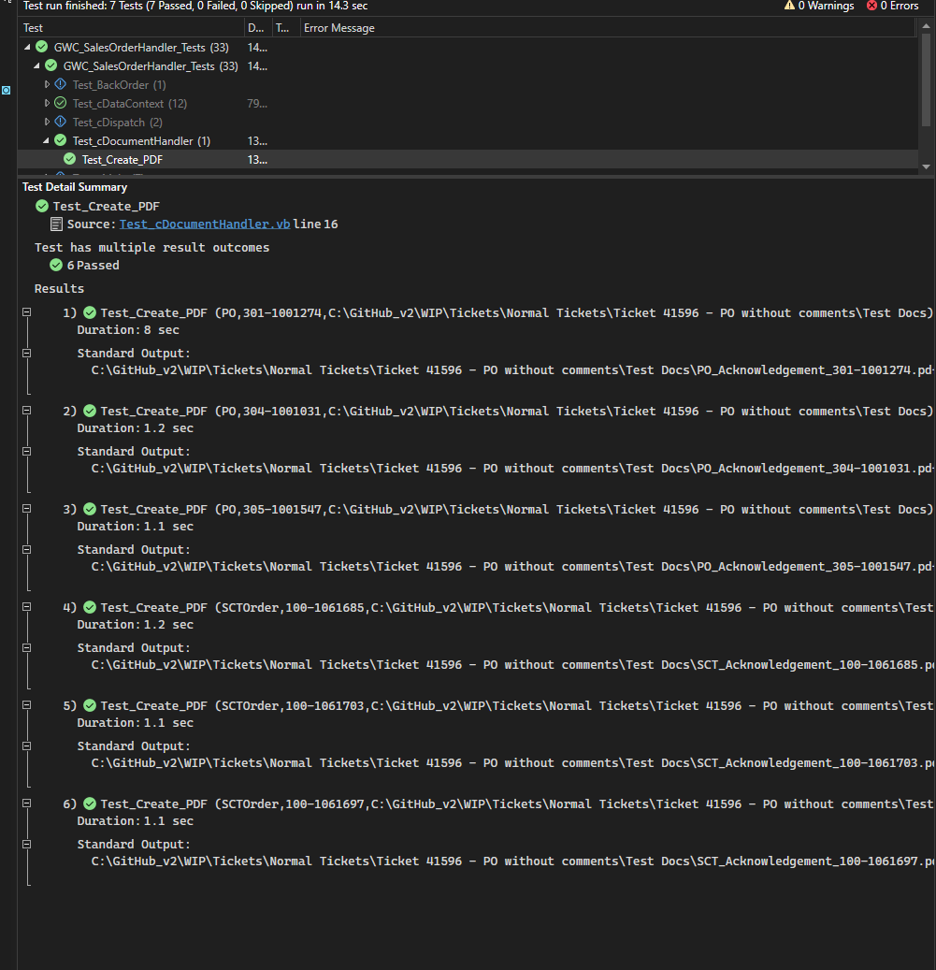
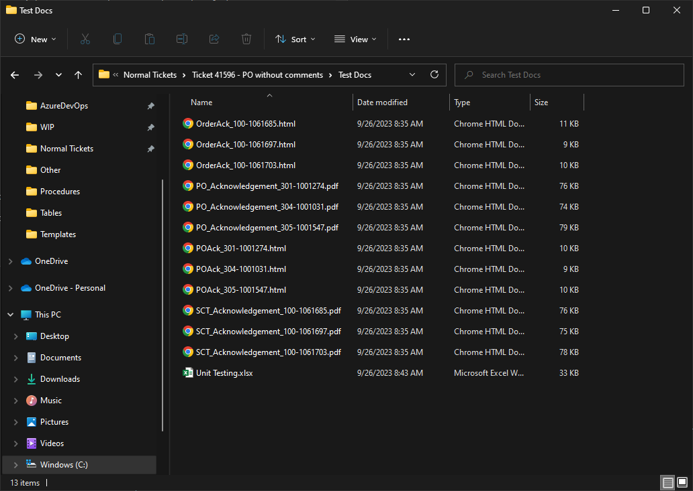
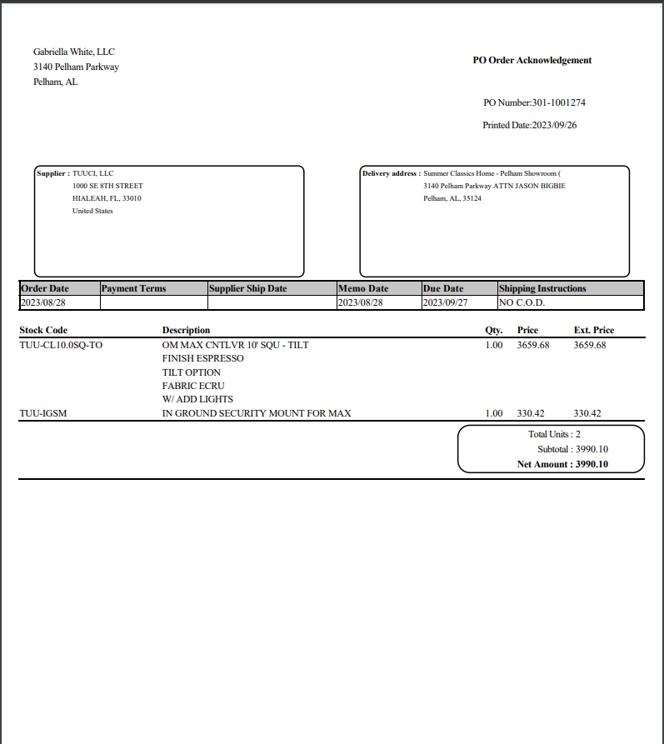
Justin Pope Dev Test
Test Case No. | 1
Process | Unit Testing
Test Consideration | SSMS Visual Studio
Test Condition |  | Data Used | How To Verify | Actual Results
Tasks
 | Run unit testing script for document pdf creatation |  |  | screen shots
Configuration/Data Setup for Testing Scenario
Verification
Test Cast Screens Shots Before and After

